
 |  |  |  | CODE: |  |  | pl1253 ae SN from 00E001
DESCRIPTION: |  | SQUEEGEE |  | SQUEEGEE | SQUEEGEE | SQUEEGEE | SQUEEGEE
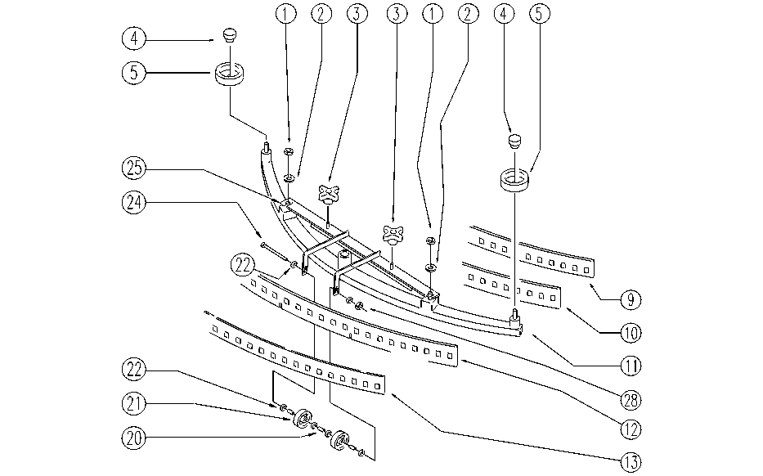

REF. | CODE | DESCRIPTION | QT
 | E87796 | Complete Squeegee AS24/28

1 | E86853 | Nyloc Hex Nut, M8 Zinc | 2
2 | E86878 | Washer | 2
3 | SL20056 | KNOB (o HANDWHEEL) | 2
4 | E86850 | Knob | 2
5 | E86841 | Squeegee Wheel Guide | 2
9 | E86325 | AS 24/28" Blade Retainer | 1
10 | E86323 | AS24/28 Squeegee Blade | 1
11 | SL01025 | BODY | 1
12 | E86928 | Squeege Red Blade | 1
13 | SL03278 | REINFORCEMENT | 1
20 | E86683 | AS24 Wheel Bushing | 3
21 | E86406 | Wheel D 60 | 2
22 | E86427 | Washer for AS20 | 6
24 | SL04199 | SCREW | 1
25 | E86897 | Squeegee Strong Support | 1
28 | E86875 | Self-Locking Nut | 2

